Read first
This workbook is for calculating the minimum recommended distances between intake and exhaust openings and boiler flues using the equation provided in Annex A of BS EN 13779 Ventilation for non-residential buildings-Performance requirements for ventilation and room-conditioning systems:

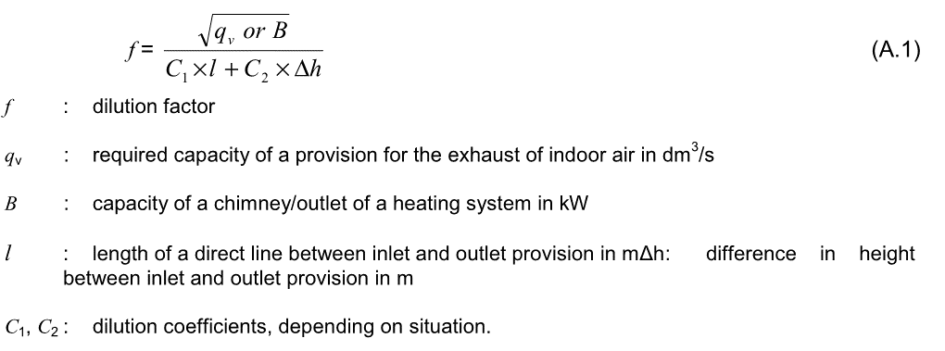

A detailed description of the calculation along with tables of coefficients can be found in Dutch regulation for the Siting of Air Inlets - AIVC Vol 19, No 3 June 1998

Select from drop down menu
enter data in yellow cells
calculated values are in green cells
Each sheet in this workbook is password protected with the following password: |  | 1234

The final sheet labelled 'Table 3' in the workbook includes the configurations for the inlet and outlets required for determination of the coefficients.

There are some hidden sheets critical to the correct functioning of the calculations, please do not delete.

v0.3 | Formula for gas fired boiler corrected.
v0.2 | Designed by WARM: Low Energy Building Design
 | This calculation sheet is offered free but with the following caveats:
x | Please do not redistribute without our logo and contact details
x | no claims are made for its accuracy or correctness
x | do not rely on anything on this sheet
x | there is NO WARRANTY of any sort, implied or otherwise
x | there is NO SUPPORT offered - but if you find any errors - please let us know

Table 3
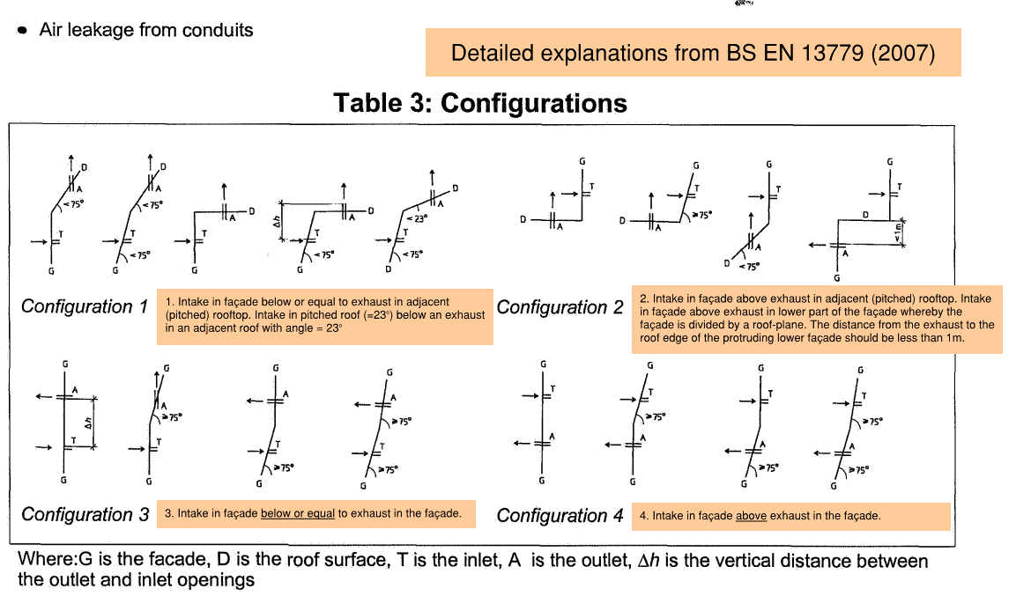
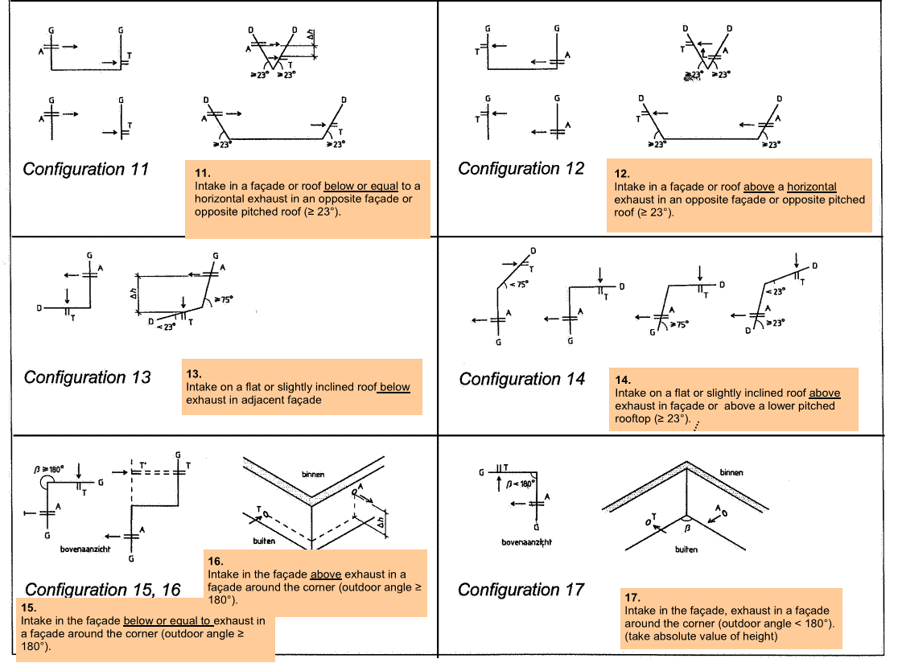
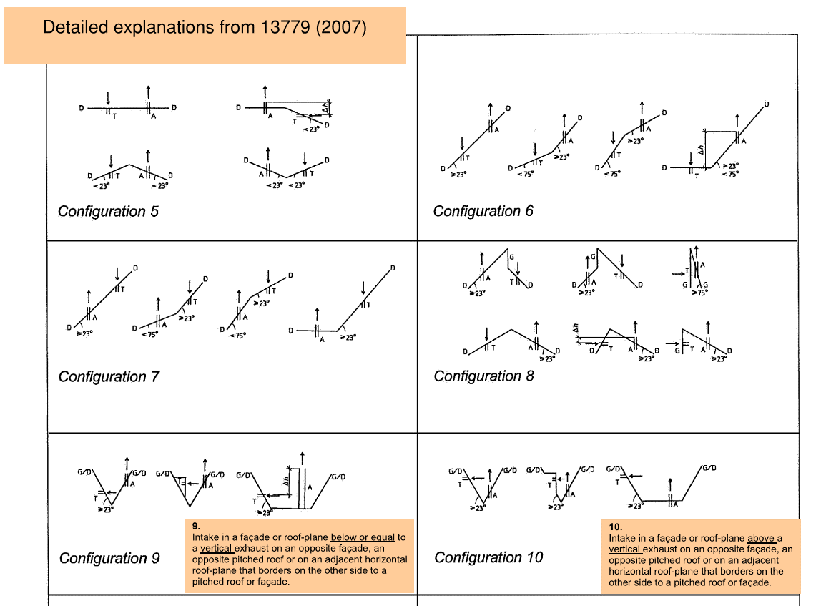
Source: Dutch regulation for the Siting of Air Inlets - AIVC Vol 19, No 3 June 1998

