Cashflow
Cash flow - nominal currency

Field: | 0
Facility: | 0
Development concept: | 0

 |  |  |  |  |  | Nominal currency
 |  |  |  | REAL | TOTAL | 0 | 1 | 2 | 3 | 4 | 5 | 6 | 7 | 8 | 9 | 10 | 11 | 12 | 13 | 14 | 15 | 16 | 17 | 18 | 19 | 20 | …..

Provide sub-schedules for production on Phasing Tab if project comprises phased development or requires significant future decisions not yet committed by the project owners.
Annual production |  |  | specify units
Field 1 | Raw gas * | * see Assumptions tab | MMscf/d
 | Oil |  | Kbbl/d
 | Condensate |  | Kbbl/d
 | CO2 |  | unit/d
 | … list other products |  | unit/d
 |  |  | MMBOE |  | -

 | Feed Gas * | * see Assumptions tab | Bcf |  | -
 | Domgas |  | PJ |  | -
 | LNG |  | eg. BBTU |  | -
 | Oil |  | eg. '000 bbls |  | -
 | Condensate |  | eg. '000 bbls |  | -
 | LPG |  | eg. Ktonnes |  | -
 | CO2 |  | e.g. MTPA |  | -
 | … list other products |  | describe units |  | -

Provide sub-schedules for production on Phasing tab if project comprises phased development or requires significant future decisions not yet committed by the project owners.
Field 2 etc | Raw gas * | * see Assumptions tab | MMscf/d
 | Oil |  | Kbbl/d
 | Condensate |  | Kbbl/d
 | … list other products |  | unit/d

 |  |  | MMBOE |  | -

 | Feed Gas * | * see Assumptions tab | Bcf |  | -
 | Domgas |  | PJ |  | -
 | LNG |  | eg. BBTU |  | -
 | Oil |  | eg. '000 bbls |  | -
 | Condensate |  | eg. '000 bbls |  | -
 | LPG |  | eg. Ktonnes |  | -
 | CO2 |  | e.g. MTPA |  | -
 | … list other products |  | describe units |  | -

Product prices
 | Domgas |  | currency/GJ
 | LNG |  | currency/MMBtu
 | Oil |  | currency/Bbl
 | Condensate |  | currency/Bbl
 | LPG |  | currency/unit
 | … list other products |  | currency/unit
#REF!
Revenue
Field 1 | Domgas |  | currency |  | -
 | LNG |  | currency |  | -
 | Oil |  | currency |  | -
 | Condensate |  | currency |  | -
 | LPG |  | currency |  | -
 | Other product |  | currency |  | -
 | Revenue field 1 |  | currency | - | - | - | - | - | - | - | - | - | - | - | - | - | - | - | - | - | - | - | - | - | - | - | - | -

Field 2 etc | Domgas |  | currency |  | -
 | LNG |  | currency |  | -
 | Oil |  | currency |  | -
 | Condensate |  | currency |  | -
 | LPG |  | currency |  | -
 | Other product |  | currency |  | -
 | Revenue field 2 etc |  | currency | - | - | - | - | - | - | - | - | - | - | - | - | - | - | - | - | - | - | - | - | - | - | - | - | -

Tariff revenue |  |  | currency |  | -

Total revenue |  |  | currency | - | - | - | - | - | - | - | - | - | - | - | - | - | - | - | - | - | - | - | - | - | - | - | - | -

Provide sub-schedules for capex on Phasing Tab if project comprises phased development or requires significant future decisions not yet committed by the project owners.
Values shown in column F should correspond to cost estimate tables provided in supporting documentation.
CAPEX
Joint project | Exploration |  | currency |  | -
 | Appraisal |  | currency |  | -
 | Upstream |  | currency |  | -
 | Downstream |  | currency |  | -
 | Other (provide details) |  | currency |  | -
 | CAPEX joint project |  | currency | - | - | - | - | - | - | - | - | - | - | - | - | - | - | - | - | - | - | - | - | - | - | - | - | -

Provide sub-schedules for capex on Phasing Tab if project comprises phased development or requires significant future decisions not yet committed by the project owners.
Values shown in column F should correspond to cost estimate tables provided in supporting documentation.
Field 1 | Exploration |  | currency |  | -
 | Appraisal |  | currency |  | -
 | Upstream |  | currency |  | -
 | Downstream (if separate from Joint project) |  | currency |  | -
 | Other (provide details) |  | currency |  | -
 | CAPEX field 1 |  | currency | - | - | - | - | - | - | - | - | - | - | - | - | - | - | - | - | - | - | - | - | - | - | - | - | -

Provide sub-schedules for capex on Phasing Tab if project comprises phased development or requires significant future decisions not yet committed by the project owners.
Values shown in column F should correspond to cost estimate tables provided in supporting documentation.
Field 2 etc | Exploration |  | currency |  | -
 | Appraisal |  | currency |  | -
 | Upstream |  | currency |  | -
 | Downstream (if separate from Joint project) |  | currency |  | -
 | Other (provide details) |  | currency |  | -
 | CAPEX field 2 etc |  | currency | - | - | - | - | - | - | - | - | - | - | - | - | - | - | - | - | - | - | - | - | - | - | - | - | -

Total CAPEX |  |  | currency | - | - | - | - | - | - | - | - | - | - | - | - | - | - | - | - | - | - | - | - | - | - | - | - | -

OPEX
Joint Project | Upstream |  | currency |  | -
 | Downstream (if separate from Joint project) |  | currency |  | -
 | Other (provide details) |  | currency |  | -
 | OPEX joint project |  | currency | - | - | - | - | - | - | - | - | - | - | - | - | - | - | - | - | - | - | - | - | - | - | - | - | -

Field 1 | Upstream |  | currency |  | -
 | Downstream (if separate from Joint project) |  | currency |  | -
 | Other (provide details) |  | currency |  | -
 | OPEX field 1 |  | currency | - | - | - | - | - | - | - | - | - | - | - | - | - | - | - | - | - | - | - | - | - | - | - | - | -

Field 2 etc | Upstream |  | currency |  | -
 | Downstream (if separate from Joint project) |  | currency |  | -
 | Other (provide details) |  | currency |  | -
 | OPEX field 2 etc |  | currency | - | - | - | - | - | - | - | - | - | - | - | - | - | - | - | - | - | - | - | - | - | - | - | - | -

Total OPEX |  |  | currency | - | - | - | - | - | - | - | - | - | - | - | - | - | - | - | - | - | - | - | - | - | - | - | - | -

Carbon cost
Field 1 | Cost |  | currency |  | -

Field 2 etc | Cost |  | currency |  | -
 |  |  |  |  | -
Total carbon cost |  |  | currency | - | - | - | - | - | - | - | - | - | - | - | - | - | - | - | - | - | - | - | - | - | - | - | - | -

Tariff cost
Field 1 | Tariff |  | currency |  | -

Field 2 etc | Tariff |  | currency |  | -
 |  |  |  |  | -
Total tariff |  |  | currency | - | - | - | - | - | - | - | - | - | - | - | - | - | - | - | - | - | - | - | - | - | - | - | - | -

ABEX
Joint project | Upstream |  | currency |  | -
 | Downstream |  | currency |  | -
 | ABEX joint project |  | currency | - | - | - | - | - | - | - | - | - | - | - | - | - | - | - | - | - | - | - | - | - | - | - | - | -

Field 1 | Upstream |  | currency |  | -
 | Downstream (if separate from Joint project) |  | currency |  | -
 | ABEX field 1 |  | currency | - | - | - | - | - | - | - | - | - | - | - | - | - | - | - | - | - | - | - | - | - | - | - | - | -

Field 2 etc | Upstream |  | currency |  | -
 | Downstream (if separate from Joint project) |  | currency |  | -
 | ABEX field 2 etc |  | currency | - | - | - | - | - | - | - | - | - | - | - | - | - | - | - | - | - | - | - | - | - | - | - | - | -

Total ABEX |  |  | currency | - | - | - | - | - | - | - | - | - | - | - | - | - | - | - | - | - | - | - | - | - | - | - | - | -

Royalties/ excise |  |  | currency |  | -

Before tax cash flow |  |  | currency | - | - | - | - | - | - | - | - | - | - | - | - | - | - | - | - | - | - | - | - | - | - | - | - | -

 | PRRT |  | currency |  | -
 | Income tax |  | currency |  | -

After tax cash flow |  |  | currency | - | - | - | - | - | - | - | - | - | - | - | - | - | - | - | - | - | - | - | - | - | - | - | - | -

Other reportable items
 | Depreciation |  | currency |  | -

Results
 | Net cashflow (nominal) |  | currency
 | Net cashflow (real) |  | currency
 | Internal rate of return |  | %
 | NPV (%) |  | currency

Capital costs
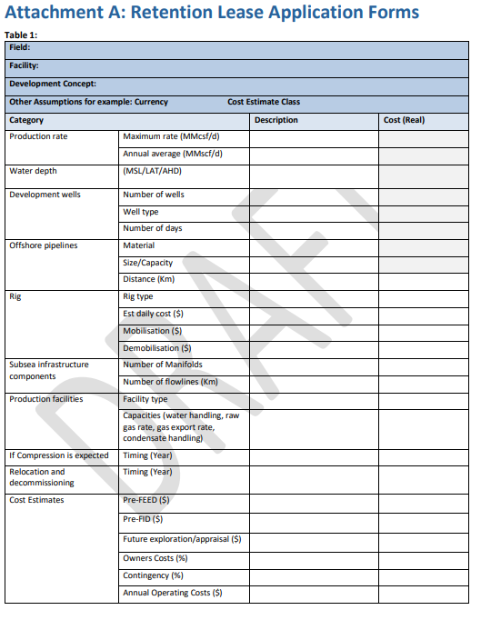

Capital components and costs

Field: | 0
Facility: | 0
Development concept: | 0

 | Category | Units | Description | Joint infrastructure cost (real) | Field 1 cost (real) | Field 2 cost (real)
 | Production rate | Maximum rate (daily rate field units)
 |  | Annual average (daily rate field units)
 | Development wells | Number of wells
 |  | Well type
 |  | Number of days
 | Offshore pipelines | Material
 |  | Size/capacity
 |  | Distance (Km)
 | Rig | Rig type
 |  | Est daily cost ($)
 |  | Mobilisation ($)
 |  | Demobilisation ($)
 | Subsea infrastructure components | Number of manifolds
 |  | Number of flowlines (Km)
 | Production facilities | Facility type
 |  | Capacities (water handling, raw gas rate, gas export rate, liquids handling, storage, etc)
 | If compression is expected | Costs ($) and timing (year)
 | Relocation and decommissioning | Costs ($) and timing (year)
 |  | Pre-FID ($)
 |  | Future exploration/appraisal ($)
 |  | Owners costs (%)
 |  | Contingency (%)
 |  | Annual operating costs ($)

