Cover Page
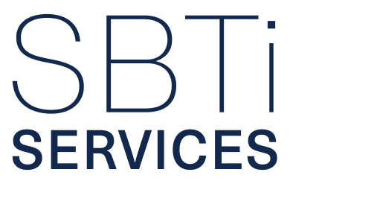

SBTi SERVICES FINANCIAL INSTITUTIONS NET-ZERO SUBMISSION FORM For submissions under SBTi Financial Institutions Net-Zero Standard Version 1.0 July 2026 Version 1.3

