Sheet1
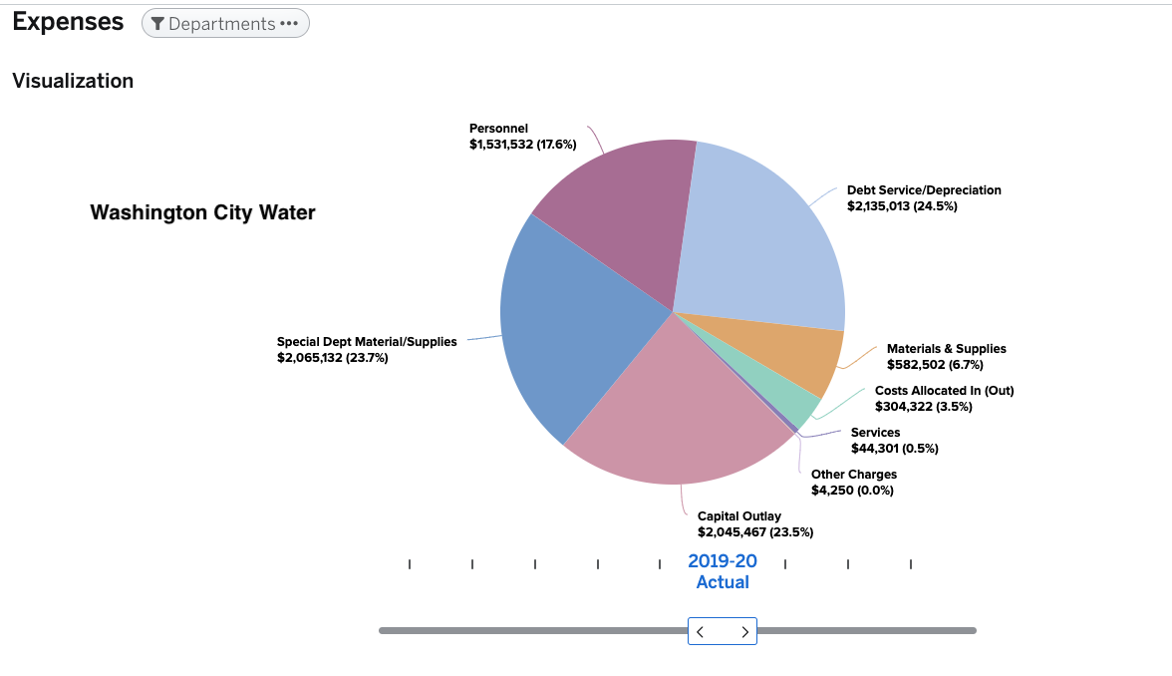
SERVICES RATES
 |  |  |  |  |  |  | https://washingtonut.opengov.com/transparency
Service Rates - Water, Sewer, Roads, Storm
 |  |  |  |  |  |  | Washington City | WATER | SEWER | STORM
St. George City | Water | Sewer | Storm | Water |  |  | OM | 51% | 37% | 27%
 | Base Rate | Base Rate |  | Base Rate |  |  | CAPITAL RESERVE | 24% | 41% | 58%
 | $20.75 | $19.00 | $4.54 | $44.29 |  |  | BOND | 25% | 22% | 15%

Washington City | Water | Sewer | Storm | Subtotal
 | Base Rate | Base Rate | Base Rate
 | $18.17 | $10.28 | $6.80 | $35.25

Ivins | Water | Sewer | Storm | Subtotal
 | Base Rate | Base Rate | Base Rate
 | $16.91 | $26.35 | $12.86 | $56.12

Santa Clara | Water | Sewer | Storm | Subtotal
 | Base Rate | Base Rate | Base Rate
 | $32.00 | $23.40 | $13.85 | $69.25

Toquerville | Water | Sewer | Storm | Subtotal
 | Base Rate | Base Rate | Base Rate
 | $36.21 | $25.00 | $6.00 | $67.21
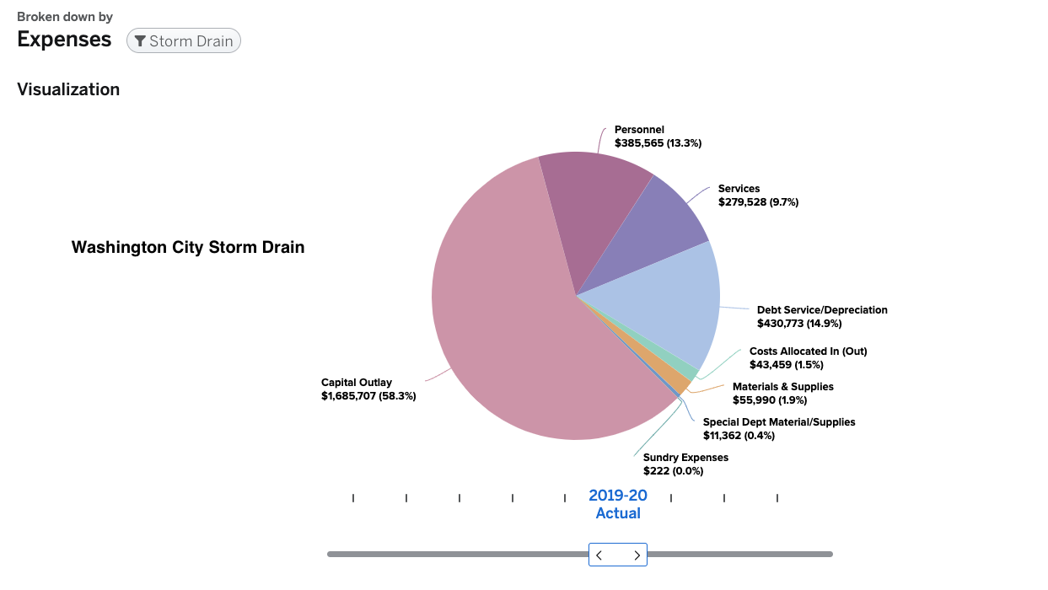
Hurricane | Water | Sewer | Storm
 | Base Rate | Base Rate | Base rate
 | $16.50 | $25.00 | $4.00 | $45.50

Averages | $23.42 | $21.51 | $8.01 | $52.94

IMPACT FEES (UPDATED 6.18.24)

RESIDENTAL IMPACT FEES - Water, Sewer, Storm

St. George City | Water | Sewer | Storm | Roads | Parks | Subtotal
 | $1,996.00 | $137.00 | $781.00 | $2,188.00 | $4,525.00 | $9,627.00

Washington City | Water | Res Sewer | Storm | Roads | Park | Subtotal
 | $4,550.00 | $980.00 | $4,703.00 | $2,941.00 | $4,800.00 | $17,974.00

Ivins | Water | Sewer | Storm | Roads | Parks | Subtotal
 | $3,331.85 | $551.61 | $1,319.69 | $2,278.00 | $- | $7,481.15

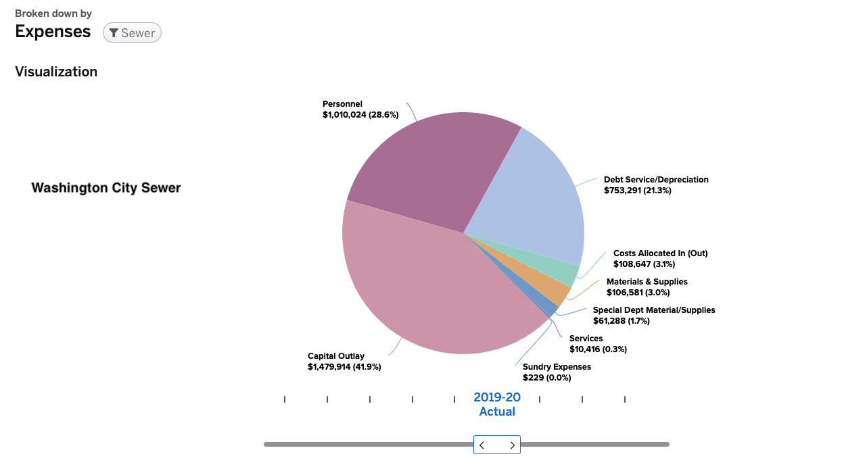
Santa Clara | Water | Sewer | Storm | Roads | Parks | Subtotal
 | $1,973.00 | $1,379.00 | $1,230.00 | $3,776.00 | $2,906.00 | $11,264.00

Toquerville | Water | Ash Creek | Storm | Roads | Parks | Subtotal
 | $3,390.00 | $- | $485.00 | $2,766.00 | $5,500.00 | $12,141.00

Hurricane | Water | Ash Creek | Storm | Roads | Parks & Rec | Subtotal
 | $2,707.00 | $- | $190.00 | $2,294.00 | $3,109.00 | $8,300.00

Leeds | WCWCD | Ash Creek | Storm | Roads | Park
 | $- | $- | $- | $3,295.00 | $1,300.00 | $4,595.00

Averages | $2,563.98 | $435.37 | $1,244.10 | $2,791.14 | $3,162.86 | $10,197.45

COMMERCIAL IMPACT FEES - Water, Sewer, Storm

St. George City | Water | Sewer | Storm | Roads | Parks | Subtotal

Washington City | Water | Res Sewer | Storm | Roads | Park | Subtotal

Ivins | Water | Sewer | Storm | Roads | Parks | Subtotal

Santa Clara | Water | Sewer | Storm | Roads | Parks | Subtotal

Toquerville | Water | Ash Creek | Storm | Roads | Parks | Subtotal

Hurricane | Water | Ash Creek | Storm | Roads | Parks & Rec | Subtotal

Leeds | WCWCD | Ash Creek | Storm | Roads | Park
 | $- | $- | $- | $3,295.00 | $1,300.00 | $4,595.00

Averages | $- | $- | $- | $470.71 | $185.71 | $656.43

