Start here
 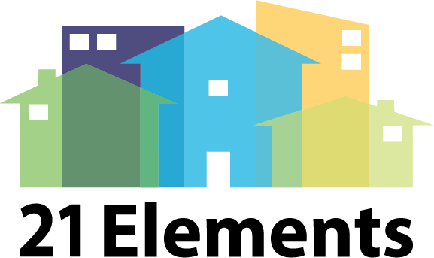
Your friendly neighborhood Housing Policy Bot ("PBot"): An overview On Tab 1) screener questions, you will answer a series of questions about what is going on in your jurisdiction. Click the grey button, and you be led to potential policies and programs to consider on Tab 2) potential programs. Mark which policies and programs you are interested in, click another button, and the Tab 3) short list will pull over the list of policies and programs that you thought were most relevant, so you can easily edit them/move them over to a Word document.

Instructions:
Macros must be enabled.
Review the questions on Tab 1, choosing yes, no or maybe.
Click the "Show Potential Policies" button on the right. Tab 2 will automatically open.
Review the potential policies and programs, clicking yes, no or maybe on these more specific suggestions.
In Tab 2 you can insert rows to add your own policies and programs to the list.
Click "Show short list" button on the right, and Tab 3 will automatically open, showing your short list.
Copy and paste the suggested policies into a word processing document so you can further edit.

Notes and Disclaimers:
This won't solve all your problems. You still need to tailor it. There are many more good policies not on the list.
Did I mention that macros have to be enabled?
Sometimes a policy/program will show up twice in the "potential programs" list. This is because some policies and programs are matched with multiple screener questions.
Do not delete the blank row 47 in the "policies" tab. This will cause a glitch if you try to add your own rows in Tab 2.
Send fanmail and suggestions to pbot@bdplanning.com

