Examples
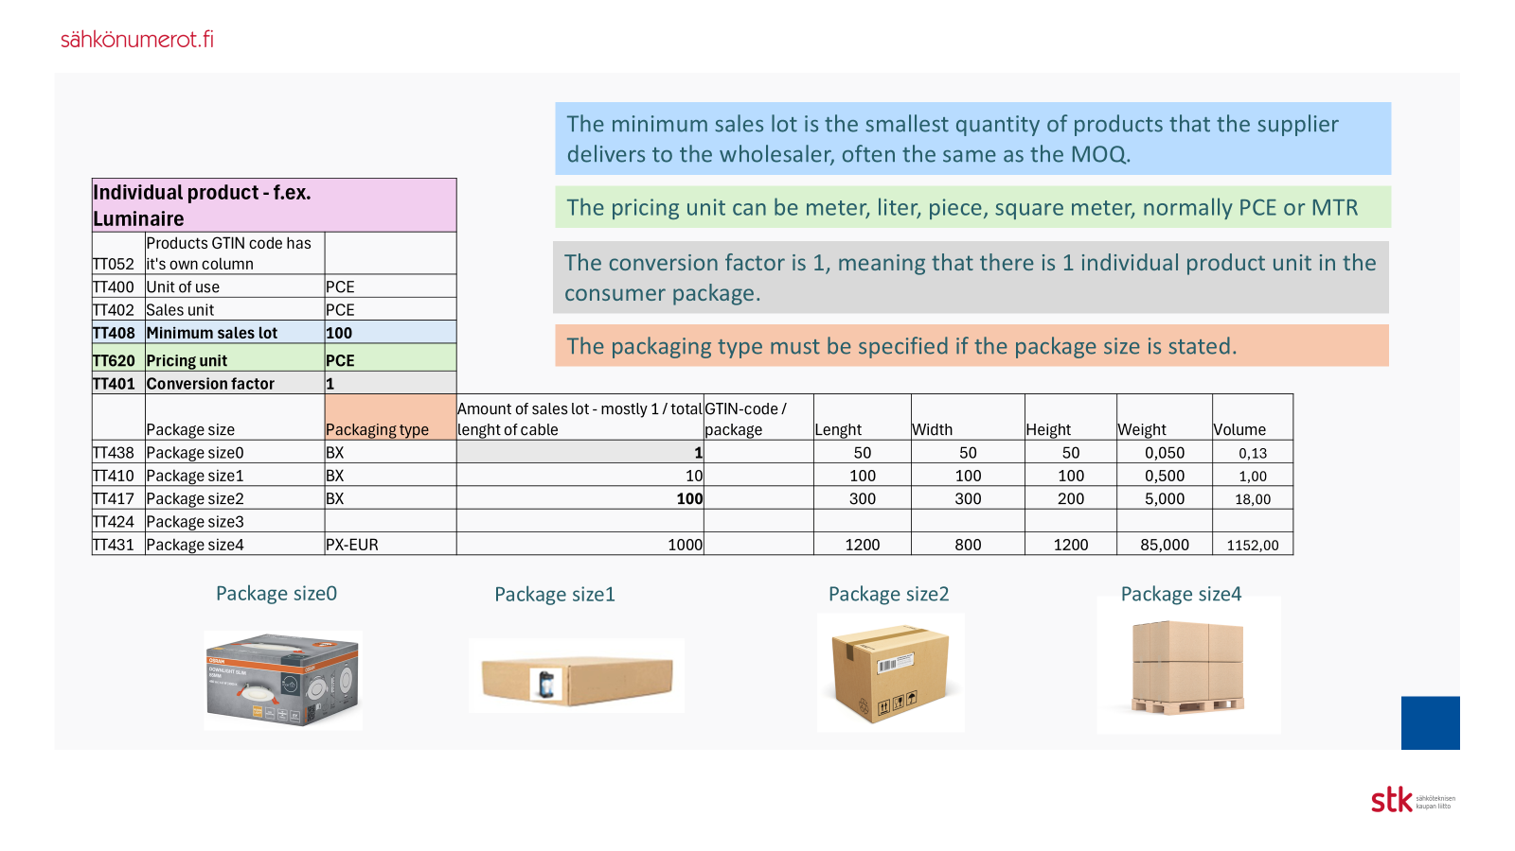

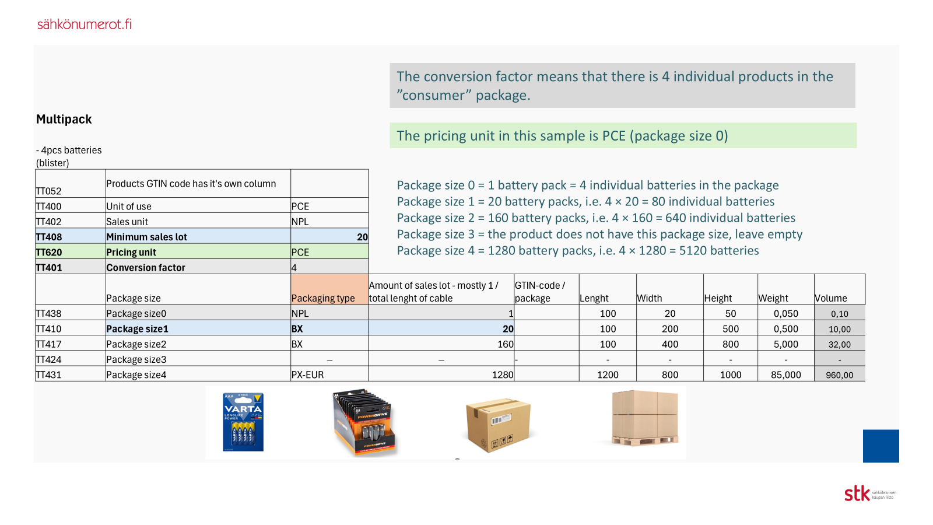

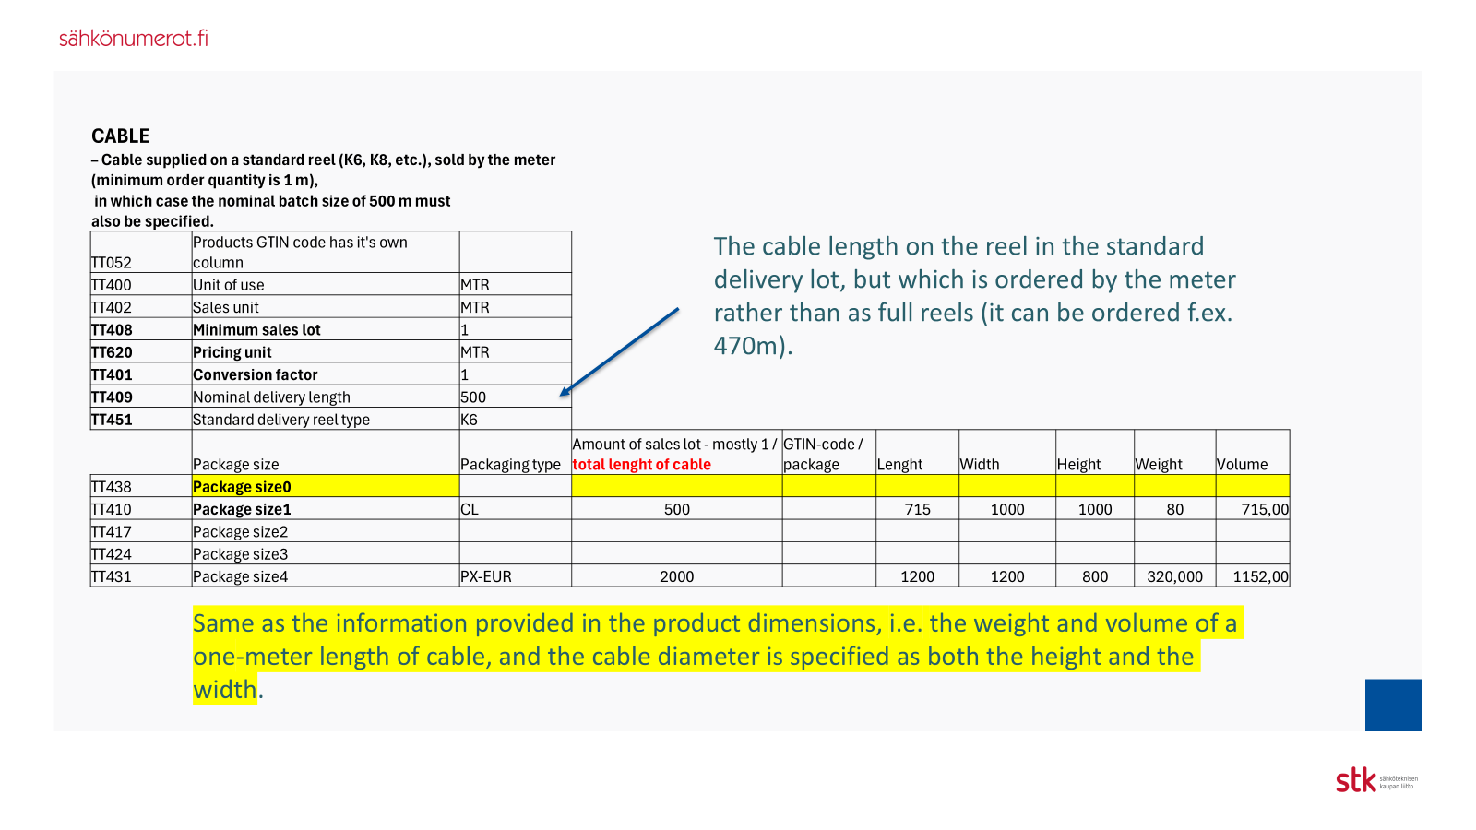

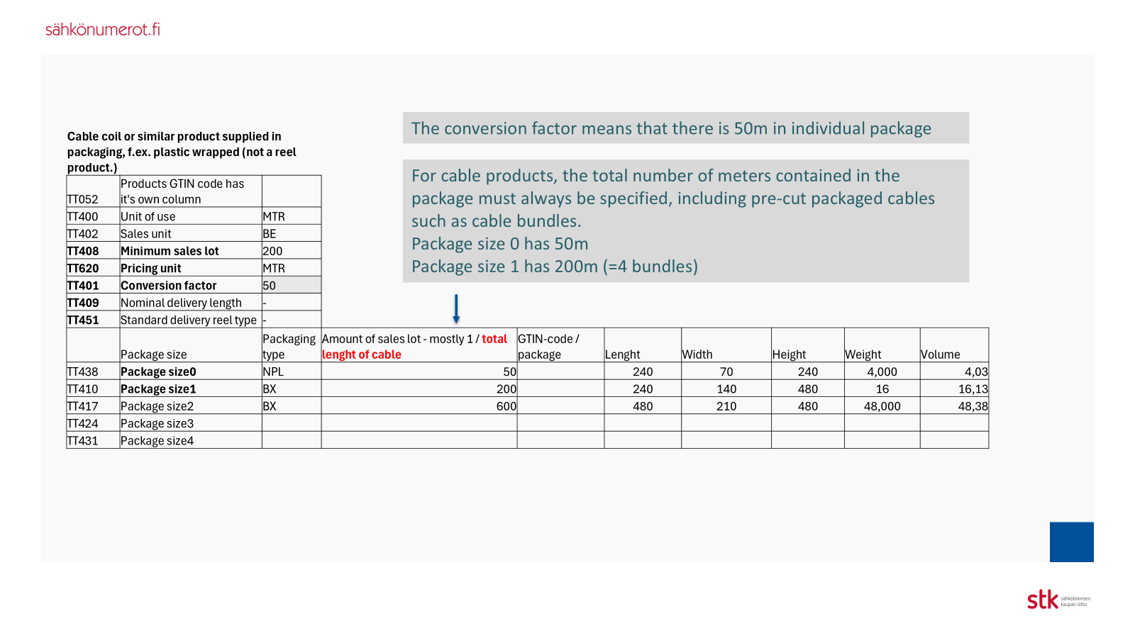

Country of origin
Alkuperämaa-sarakkeessa käytetyt maakoodit ISO 3166 mukaisesti
AF | Afganistan | Afghanistan
AX | Ahvenanmaa | Åland
NL | Alankomaat | Netherlands
AN | Alankomaiden Antillit | Netherlands Antilles
NOTE:
EU is no country
AL | Albania | Albania
DZ | Algeria | Algeria
AS | Amerikan Samoa | American Samoa
AD | Andorra | Andorra
AO | Angola | Angola
AI | Anguilla | Anguilla
AQ | Antarktis | Antarctica
AG | Antigua ja Barbuda | Antigua and Barbuda
AE | Arabiemiirikunnat | United Arab Emirates
AR | Argentiina | Argentina
AM | Armenia | Armenia
AW | Aruba | Aruba
AU | Australia | Australia
AZ | Azerbaidžan | Azerbaijan
BS | Bahama | Bahamas
BH | Bahrain | Bahrain
BD | Bangladesh | Bangladesh
BB | Barbados | Barbados
BE | Belgia | Belgium
BZ | Belize | Belize
BJ | Benin | Benin
BM | Bermuda | Bermuda
BT | Bhutan | Bhutan
BO | Bolivia | Bolivia
BA | Bosnia ja Hertsegovina | Bosnia and Herzegovina
BW | Botswana | Botswana
BV | Bouvet’nsaari | Bouvet Island
BR | Brasilia | Brazil
GB | Britannia | United Kingdom
IO | Brittiläinen Intian valtameren alue | British Indian Ocean Territory
VG | Brittiläiset Neitsytsaaret | Virgin Islands, British
BN | Brunei | Brunei Darussalam
BG | Bulgaria | Bulgaria
BF | Burkina Faso | Burkina Faso
BI | Burundi | Burundi
KY | Caymansaaret | Cayman Islands
CL | Chile | Chile
CK | Cookinsaaret | Cook Islands
CR | Costa Rica | Costa Rica
DJ | Djibouti | Djibouti
DM | Dominica | Dominica
DO | Dominikaaninen tasavalta | Dominican Republic
EC | Ecuador | Ecuador
EG | Egypti | Egypt
SV | El Salvador | El Salvador
ER | Eritrea | Eritrea
ES | Espanja | Spain
ZA | Etelä-Afrikka | South Africa
GS | Etelä-Georgia ja Eteläiset Sandwichsaaret | South Georgia and South Sandwich Islands
ET | Etiopia | Ethiopia
FK | Falklandinsaaret | Falkland Islands
FJ | Fidži | Fiji
PH | Filippiinit | Philippines
FO | Färsaaret | Faroe Islands
GA | Gabon | Gabon
GM | Gambia | Gambia
GE | Georgia | Georgia
GH | Ghana | Ghana
GI | Gibraltar | Gibraltar
GD | Grenada | Grenada
GL | Grönlanti | Greenland
GP | Guadeloupe | Guadeloupe
GU | Guam | Guam
GT | Guatemala | Guatemala
GG | Guernsey | Guernsey
GN | Guinea | Guinea
GW | Guinea-Bissau | Guinea-Bissau
GY | Guyana | Guyana
HT | Haiti | Haiti
HM | Heard ja McDonaldinsaaret | Heard and McDonald Islands
HN | Honduras | Honduras
HK | Hongkong | Hong Kong
ID | Indonesia | Indonesia
IN | Intia | India
IQ | Irak | Iraq
IR | Iran | Iran
IE | Irlanti | Ireland
IS | Islanti | Iceland
IL | Israel | Israel
IT | Italia | Italy
TL | Itä-Timor | Timor-Leste
AT | Itävalta | Austria
JM | Jamaika | Jamaica
JP | Japani | Japan
YE | Jemen | Yemen
JE | Jersey | Jersey
JO | Jordania | Jordan
CX | Joulusaari | Christmas Island
KH | Kambodža | Cambodia
CM | Kamerun | Cameroon
CA | Kanada | Canada
CV | Kap Verde | Cape Verde
KZ | Kazakstan | Kazakhstan
KE | Kenia | Kenya
CF | Keski-Afrikan tasavalta | Central African Republic
CN | Kiina | China
KG | Kirgisia | Kyrgyzstan
KI | Kiribati | Kiribati
CO | Kolumbia | Colombia
KM | Komorit | Comoros
CG | Kongo | Congo (Brazzaville)
CD | Kongon demokraattinen tasavalta | Congo (Kinshasa)
CC | Kookossaaret | Cocos (Keeling) Islands
KP | Korean demokr. kansantasavalta (P-Korea) | Korea, North
KR | Korean tasavalta (Etelä-Korea) | Korea, South
GR | Kreikka | Greece
HR | Kroatia | Croatia
CU | Kuuba | Cuba
KW | Kuwait | Kuwait
CY | Kypros | Cyprus
LA | Laos | Laos
LV | Latvia | Latvia
LS | Lesotho | Lesotho
LB | Libanon | Lebanon
LR | Liberia | Liberia
LY | Libya | Libya
LI | Liechtenstein | Liechtenstein
LT | Liettua | Lithuania
LU | Luxemburg | Luxembourg
EH | Länsi-Sahara | Western Sahara
MO | Macao | Macau
MG | Madagaskar | Madagascar
MK | Makedonia | Macedonia
MW | Malawi | Malawi
MV | Malediivit | Maldives
MY | Malesia | Malaysia
ML | Mali | Mali
MT | Malta | Malta
IM | Mansaari | Isle of Man
MA | Marokko | Morocco
MH | Marshallinsaaret | Marshall Islands
MQ | Martinique | Martinique
MR | Mauritania | Mauritania
MU | Mauritius | Mauritius
YT | Mayotte | Mayotte
MX | Meksiko | Mexico
FM | Mikronesia | Micronesia
MD | Moldova | Moldova
MC | Monaco | Monaco
MN | Mongolia | Mongolia
ME | Montenegro | Montenegro
MS | Montserrat | Montserrat
MZ | Mosambik | Mozambique
MM | Myanmar | Myanmar
NA | Namibia | Namibia
NR | Nauru | Nauru
NP | Nepal | Nepal
NI | Nicaragua | Nicaragua
NE | Niger | Niger
NG | Nigeria | Nigeria
NU | Niue | Niue
NF | Norfolkinsaari | Norfolk Island
NO | Norja | Norway
CI | Norsunluurannikko | Côte d'Ivoire
OM | Oman | Oman
PK | Pakistan | Pakistan
PW | Palau | Palau
PS | Palestiina | Palestine
PA | Panama | Panama
PG | Papua-Uusi-Guinea | Papua New Guinea
PY | Paraguay | Paraguay
PE | Peru | Peru
PN | Pitcairn | Pitcairn
MP | Pohjois-Mariaanit | Northern Mariana Islands
PT | Portugali | Portugal
PR | Puerto Rico | Puerto Rico
PL | Puola | Poland
GQ | Päiväntasaajan Guinea | Equatorial Guinea
QA | Qatar | Qatar
FR | Ranska | France
TF | Ranskan eteläiset alueet | French Southern Lands
GF | Ranskan Guayana | French Guiana
PF | Ranskan Polynesia | French Polynesia
RE | Réunion | Reunion
RO | Romania | Romania
RW | Ruanda | Rwanda
SE | Ruotsi | Sweden
SH | Saint Helena | Saint Helena
KN | Saint Kitts ja Nevis | Saint Kitts and Nevis
LC | Saint Lucia | Saint Lucia
VC | Saint Vincent ja Grenadiinit | Saint Vincent and the Grenadines
PM | Saint-Pierre ja Miquelon | Saint Pierre and Miquelon
DE | Saksa | Germany
SB | Salomonsaaret | Solomon Islands
ZM | Sambia | Zambia
WS | Samoa | Samoa
SM | San Marino | San Marino
ST | São Tomé ja Príncipe | Sao Tome and Principe
SA | Saudi-Arabia | Saudi Arabia
SN | Senegal | Senegal
RS | Serbia | Serbia
SC | Seychellit | Seychelles
SL | Sierra Leone | Sierra Leone
SG | Singapore | Singapore
SK | Slovakia | Slovakia
SI | Slovenia | Slovenia
SO | Somalia | Somalia
LK | Sri Lanka | Sri Lanka
SD | Sudan | Sudan
FI | Suomi | Finland
SR | Suriname | Suriname
SJ | Svalbard ja Jan Mayen | Svalbard and Jan Mayen Islands
SZ | Swazimaa | Swaziland
CH | Sveitsi | Switzerland
SY | Syyria | Syria
TJ | Tadžikistan | Tajikistan
TW | Taiwan | Taiwan
TZ | Tansania | Tanzania
DK | Tanska | Denmark
TH | Thaimaa | Thailand
TG | Togo | Togo
TK | Tokelau | Tokelau
TO | Tonga | Tonga
TT | Trinidad ja Tobago | Trinidad and Tobago
TD | Tšad | Chad
...

