Sheet0
Budget Balance Sheet |  |  |  |  | 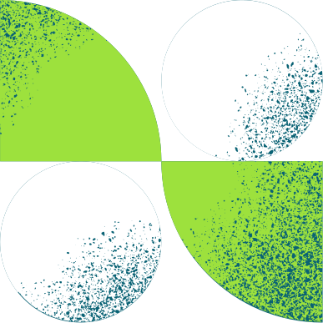
Team/Department: | Marketing and Branding |  | Last Updated: | 2030-06-15
Project: | 2030-06-01 | Marketing Campaign | Updated By:
 |  | Allotted Budget
Item |  |  | Amount | Notes
Online advertising |  |  | $10,000
Print advertising |  |  | $3,000
SEO optimization |  |  | $2,000
Promotional events |  |  | $10,000
Free samples |  |  | $10,000
Add item here |  |  | 0
Add item here |  |  | 0
 |  | Total | 35000
 |  | Actual Spending
Item |  |  | Amount | Notes
Social media ads |  |  | $2,000
Website marketing |  |  | $2,000
Influencers and paid partnerships |  |  | $4,000
Launch event |  |  | $7,500
Flyers, banners, and posters |  |  | $3,000
Add item here |  |  | 0
Add item here |  |  | 0
 |  | Total | 18500
 |  | Remaining Balance
 |  | Total Allotted Budget | 35000
 |  | Total Actual Spending | 18500
 |  | Budget Remaining | 16500

