Start
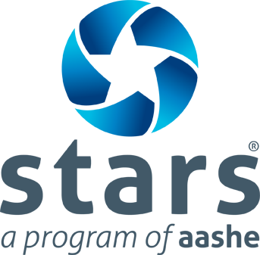
STARS 2.1 Food and Beverage Purchasing Inventory

This tool was produced to provide a consistent format for STARS participants to document their expenditures on more sustainable food and beverage products.

This file is read-only. To save for editing or sharing with data providers, select:

File > Make a copy (Google Drive users)
or
File > Download As > Microsoft Excel

3) Results
Results
Report the figures below in the online STARS Reporting Tool:
Percentage of total dining services food and beverage expenditures on products that are third party verified under one or more recognized food and beverage sustainability standards or Local & Community Based (0-100) | 4.44 | Percentage of total dining services food and beverage expenditures on conventional animal products (0-100) | 40.40

Total food and beverage expenditures, by category
Conventional | 0.96
Third Party Verified | 0.00
Local & Community-Based | 0.04
Expenditures on animal products
Conventional Animal Products | 0.40401792841
More Sustainable Animal Products | 0
Plant-Based Products | 0.59598207159

