READ ME
Defining Courses with Sustainability Content
Integrating sustainability courses in departments across campus is critical for preparing graduates who are ready to face these sustainability challenges as the move forward as a professional and a citizen. An inventory of sustainability in coursework was completed in Dec. 2018 per the requirements of AASHE STARS credit AC-1. The inventory was initiated with the Registrar’s list of all courses taught during AY18-AY19 and a review of their course descriptions in course catalog for sustainability terms from the sustainable development goals. Department chairs and instructors were then surveyed to confirm the sustainability content in these courses.
The definitions used in the STARS guidance document, the UN Sustainable Development Goals (Attachment B) and the UN Earth Charter (Attachment C) were used to identify sustainability and types of classes. Classes were identified as either “sustainability courses” or “courses that include sustainability.” Courses that include sustainability need to explicitly link the project, unit (etc.) to its sustainability connections. Figure 1 presents the logic used to identify courses.
The total course list did not include research, seminar, special topics, clinical, internship or ROTC courses. Each course that was offered in this two year period was counted once. Courses that are double numbered between departments were only counted once https://stars.aashe.org/pages/about/technical-manual.html
Results:
The complete list of classes offered the past two years and their classification as Sustainability classes is included in the "Classes AY17-19" tab. Details justifying this classification is included in the "Sust. Class" tab.
The classes include:
11.8% of the 466 graduate courses ( 21 Sustainability courses and 34 courses that include sustainability)
21.4% of the 551 undergraduate courses (52 Sustainability courses and 66 courses that include sustainability)
80% of the 25 units that offer courses include at least one sustainability or sustainability related course
FOR MORE INFORMATION:
UN Sustainable Development Goals | Earth Charter
SDGs (click on link below for details)
1. No Poverty | I. Respect and Care for the Community of Life
2. Zero hunger | 1.Respect Earth and life in all its diversity.
3. Good health and well being | 2. Care for the community of life with understanding, compassion, and love.
4. Quality education | 3. Build democratic societies that are just, participatory, sustainable, and peaceful.
5. Gender equality | 4. Secure Earth’s bounty and beauty for present and future generations.
6. Clean water and sanitation
7. affordable and clean energy | II. Ecological Integrity
8. Decent work and economic growth | 5. Protect and restore the integrity of Earth’s ecological systems, with special concern for biological diversity and the natural processes that sustain life.
9. industry, innovation and infrastructure | 6. Prevent harm as the best method of environmental protection and, when knowledge is limited, apply a precautionary approach.
10. Reduced inequalites | 7. Adopt patterns of production, consumption, and reproduction that safeguard Earth’s regenerative capacities, human rights, and community well-being.
11. Sustainable cities and communities | 8. Advance the study of ecological sustainability and promote the open exchange and wide application of the knowledge acquired.
12 Responsible Production and Consumption
13. Climate action | III. Social and Economic Justice
14 Life below water | 9. Eradicate poverty as an ethical, social, and environmental imperative
15. Life on land | 10. Ensure that economic activities and institutions at all levels promote human development in an equitable and sustainable manner.
16 Peace, Justice and strong institutions | 11. Affirm gender equality and equity as prerequisites to sustainable development and ensure universal access to education, health care, and economic opportunity.
 | 12. Uphold the right of all, without discrimination, to a natural and social environment supportive of human dignity, bodily health, and spiritual well-being, with special attention to the rights of indigenous peoples and minorities.

 | IV. Democracy, Nonviolence, and Peace
AASHE STARS | 13. Strengthen democratic institutions at all levels, and provide transparency and accountability in governance, inclusive participation in decision making, and access to justice.
 | 14. Integrate into formal education and life-long learning the knowledge, values, and skills needed for a sustainable way of life.
 | 15. Treat all living beings with respect and consideration.
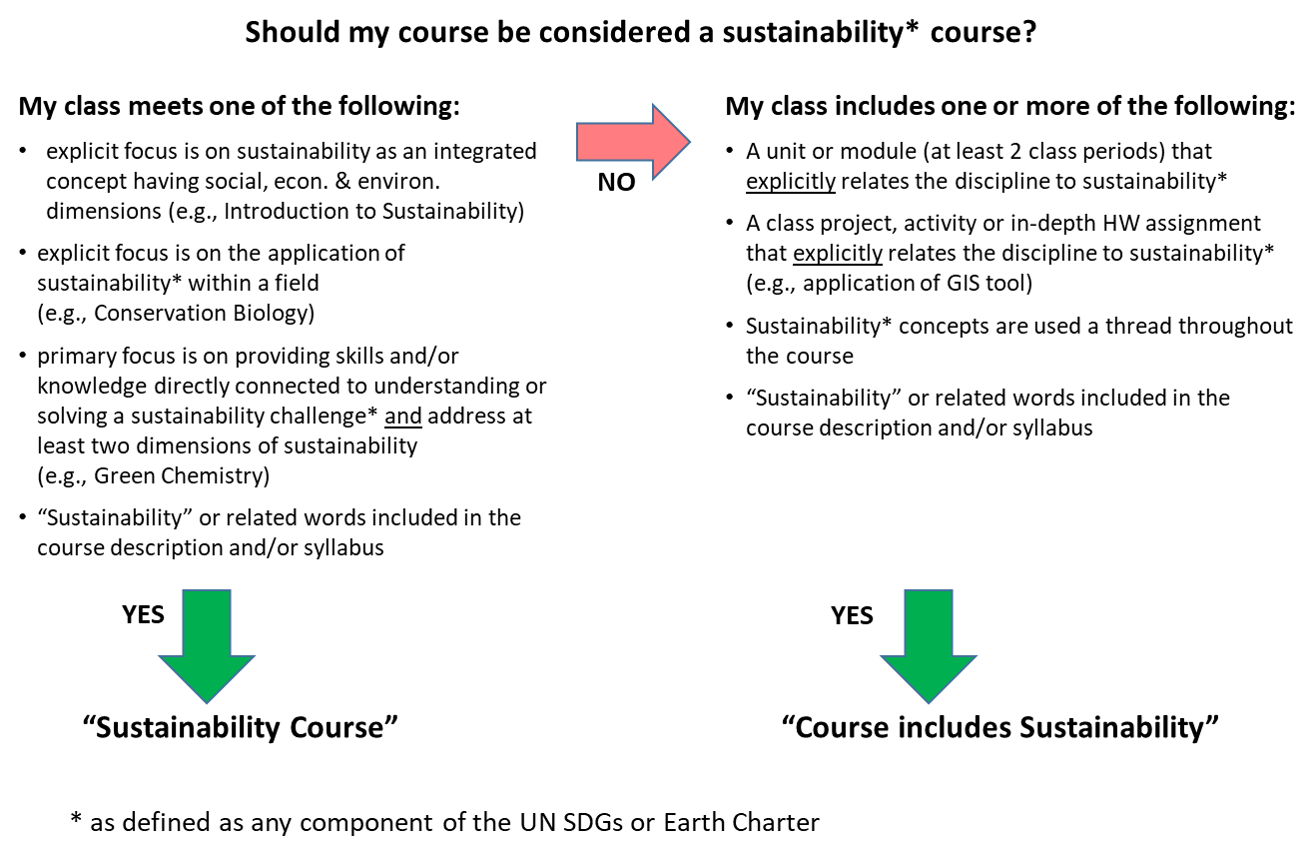
 | 16. Promote a culture of tolerance, nonviolence, and peace.

\\

