Clean Plates Quick Stats
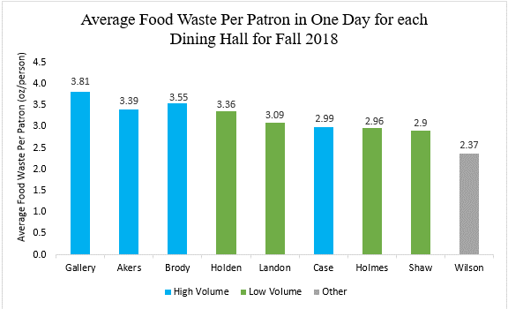
Quick Stats for CPAS
· In the fall semester of 2018, we had 162,793 less swipes and a higher average oz wasted per patron than in the fall semester of 2017
· Approximately 516,818 pounds of food was wasted in the fall 2018 semester (vs last year’s 535,072)
· Food waste is higher than dinner at 5 of the 8 dining halls (Holden, Holmes, Gallery, Landon, and Akers)
· Gallery had the highest average food waste per patron in one day (3.81 ounces)
· 26% of patrons had zero waste
· In 2018 fall semester, the average ounces wasted per person in one day: 3.16 ounces (versus last year’s 3.08 ounces)
· In 2012, the average amount of food waste in a semester was 25.22 pounds and in 2018 it dropped to 20.54 pounds (significant decreasing trend)
· 18.9% of fall 2018 food budget is food waste, a 1.5% from last year
· We lost about $1,880,519 of the fall 2018 food budget due to post consumer food waste

