Methodology
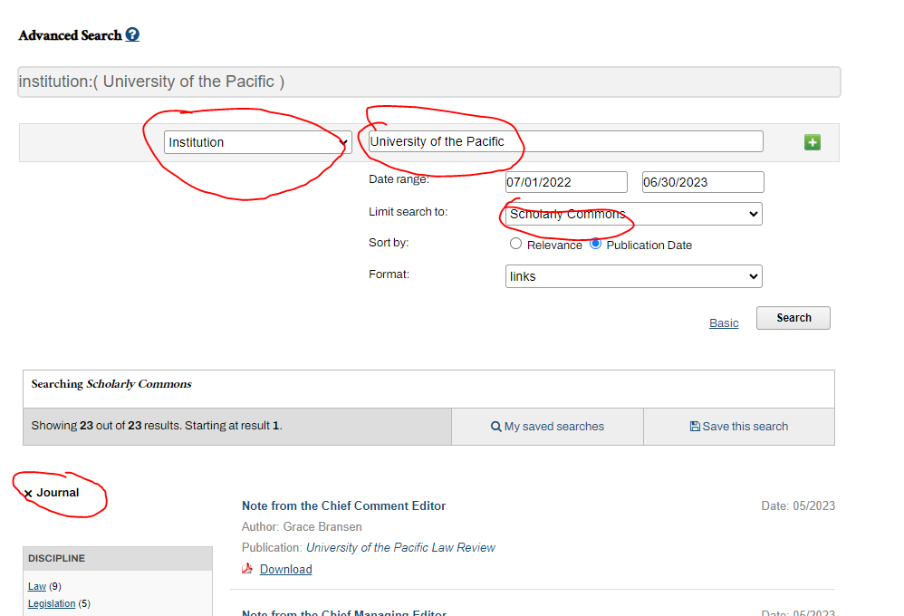
Intructions for Identifying Open-Access, peer reviewed works
 | Lens.org | Scholarly Commons
1 | 1. Filter seach based on the following search criteria Date: July 1, 2022 - June 30, 2023 Document Type: Journal, Book, Book Chapter Institution (Should be the following 5): University of the Pacific; University of the Pacific (United States); Arthur A. Dugoni School of Dentistry University of the Pacific; Department of Anatomical SciencesArthur A. Dugoni School of DentistryUniversity of the PacificSan FranciscoCA; Department of Pharmacy Practice, Thomas J. Long School of Pharmacy and Health Sciences, University of the Pacific | 1. Filter seach based on the following search criteria Institution: University of the Pacific Date: July 1, 2022 - June 30, 2023 Limit search to: Scholarly Commons Publication: Journal
2 | 2. Export selection. Sellect "Open Access" in prompt. | 2. Review list. Remove non-articles such as "Note from the editor".
3 | 3. From generated file, Sheet labeled "Lens.org", Tally the total works and total open access

Notes | Assume all journal articles published in Lens.org are peer reviewed | Do not include results from "Book Gallery" in Scholarly Commons. It is primarily internal publications
 |  | Everything in Scholarly commons is open access
 |  | Journal publications in Scholarly Commons are all peer reviewed. Majority are from University of the Pacific Law Review, most of which are reviewed by Pacific faculty and students
 |  | Published articles cannot be placed in Scholarly commons but the pdf file of the finalized, reviewed article can be added.
 | While Lens.org draws from over 3,000 publications, it and Scholarly Commons do not capture ALL publications. Improvements to accuracy of total publication numbers could be made with any of the following: 1. University subscribes to more comprehensive databases. 2. Faculty update the University Promotion and Tenure platform annually with new publications AND share the approved pdf of the publication of the same DOI with Head of Publishing and Scholarship Support. Published pdfs cannot be added to Scholarly Commons but approved pdf of the publication of the same DOI can be.

Screenshots
 | 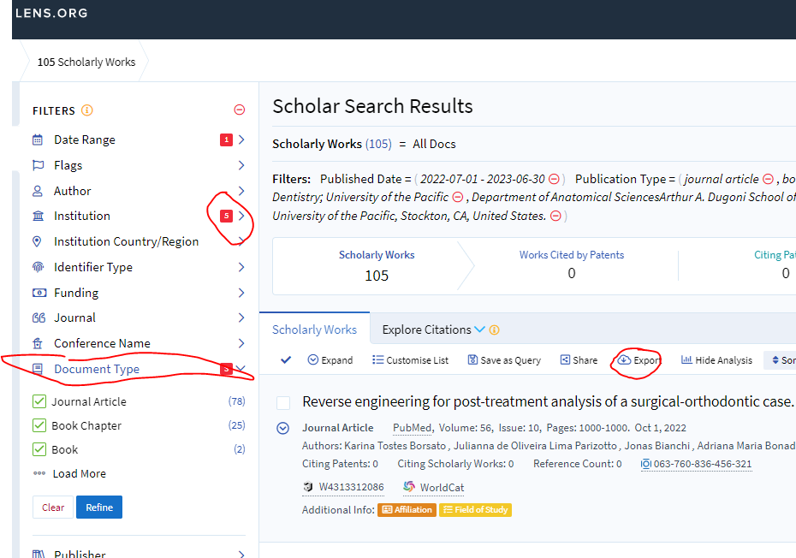 | 